Sheet1
Problem 14.1 S&VN 7th ed
 |  |  |  | given: virial coefficients
x1 | 0.25 |  |  | B11 (cm3/mole) | -963 | T (ºC) | 55
x2 | 0.75 |  |  | B22 (cm3/mole) | -1523 | T (K) | 328
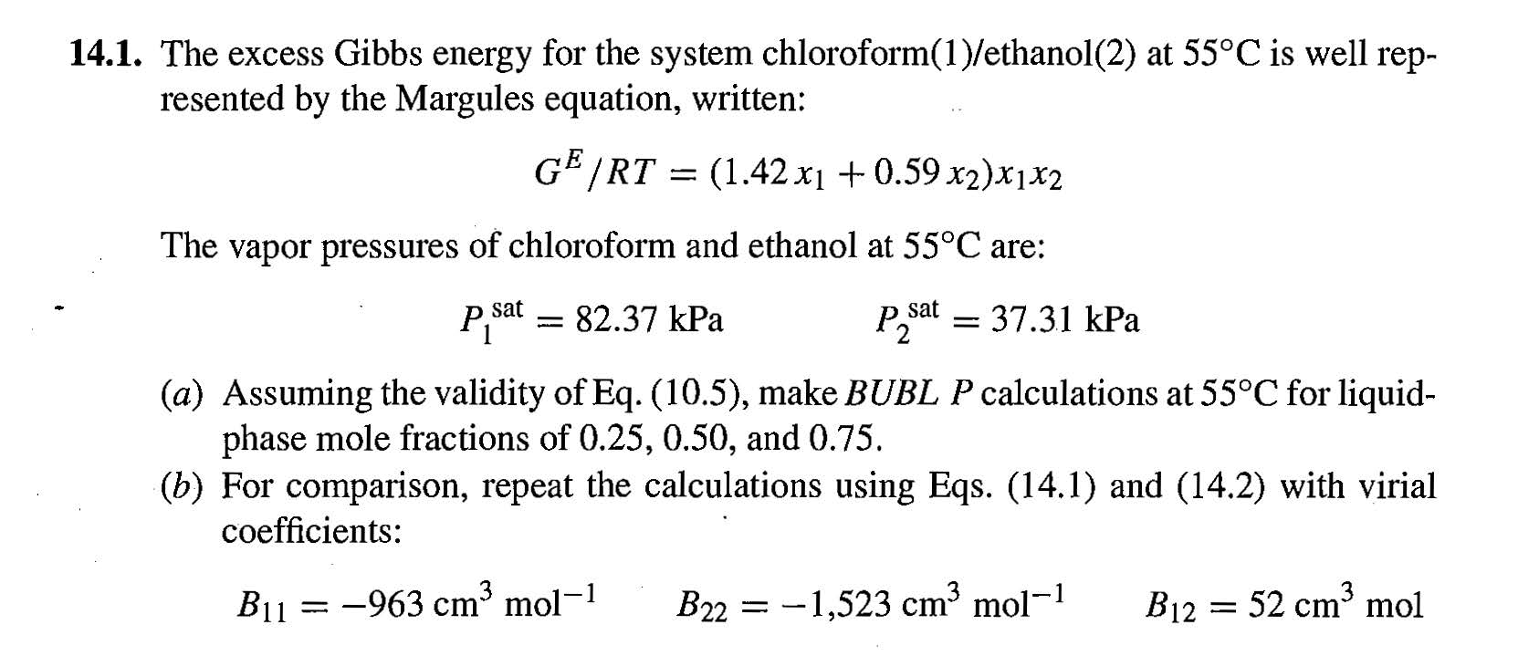
P1SAT (kPa) | 82.37 |  |  | B12 (cm3/mole) | 52
P2SAT (kPa) | 37.31 |  |  | d12 | 2590

A | 0.59 | Margules 3-suffix constants
B | 1.42

ln(g1) | 0.5653 |  | g1 | 1.7600
ln(g2) | 0.0109 |  | g2 | 1.0110

First Iteration with f's =1
f1 | 1
f2 | 1

P (bubble pt.) | 64.533 |  | P = g1 * x1 * P1s / f1 + g2 * x2 * P2s / f2

y1 | 0.562 |  | y1 = g1 * x1 * P1s / f1 * P
y2 | 0.438 |  | y2 = g2 * x2 * P2s / f2 * P

f1 | 0.9891 |  | f1 = exp ( P /RT * (B11 + y22 * d12))
f2 | 0.9834 |  | f2 = exp ( P /RT * (B22 + y12 * d12))

